Problem 1
ISM-C1004 - Business Analytics 1 - Assignment 1 (Total 36 points) [Do not require solver to produce integer solutions]
Basic LP concepts (6pts)
Cosine Furniture Ltd produces high-end tables and chairs. The production process for each table (chair) takes 6 hours (4 hours) of carpentry work and 4 hours (2 hours) of painting work. Each table yields a profit of 70 euros and each chair a profit of 50 euros. Cosine is currently planning the production for the following month for which 3600 and 1600 hours of carpentry and painting work are available. Due to limited storage capacity the vice president for sales & operations planning has ordered that no more than 700 chairs should be produced in the following month.
To support production planning decisions Cosine has implemented the following LP problem:
a) Visualize the constraints on a two-dimensional plane where the axes correspond to the decision variables. You can use the scatter plot to the right, pen&paper or some other software, but the vizualisation has to be clear and pasted to this sheet. (2pts).
b) Which constraints, if any, are binding? Justify your answer based on the visualization (1pt)
Any constraint line that forms part of the border of the feasible region at the optimal solution is a binding constraint. The optimal solution ($x_{1}$=50, $x_{2}$=700) can be found from the visualization. Therefore, the binding constraints are
$4x_{1}+{2x}_{2}≤1600$ (2) painting
$x_{2}≤700$ (3) max chairs
This is because when optimal solution is plugged in, LHS is equal to RHS
$4 \left(50\right)+2\left(700\right)=1600$ (2) painting
$700=700$ (3) max chairs
c) Are there any redundant constraints, and if so which one(s)? Justify your answer. (1pt)
A constraint is redundant if removing it does not change the feasible region. We can see that the yellow line constraint from the graph does not contribute to the feasible region at all. Therefore, the redundant constraint is:
$6x_{1}+4x_{2}≤3600$ (1) carpentry
d) If the constraints (2) and (3) were both removed, would the problem become unbounded? Justify your answer. (1pt)
A problem is considered unbounded if the feasible region is infinite in the direction of optimization. In other words, the value of the objective function can increase (or decrease) indefinitely without reaching a maximum (or minimum). When the constraints (2) (blue) and (3) (green) were both removed, the constraint (1) (yellow) will come into place and no longer be redundant according to (c). This constraint will result in the new optimal solution at ($x_{1}$=0, $x_{2}$=900).
Answer: If the constraints (2) and (3) were both removed, the problem is still bounded by constraint (1).
e) Find a value for the profit of chairs, which is smaller than the current value of 50 euros, such that the problem (with all constrains (1)-(4)) will have multiple alternative optimal solutions. Justify your answer. (1pt)
In order to have multiple solutions, we can change the profit of the chairs in such a way that the slope of the objective function matches the slope of the blue binding constraint (painting) according to the graph.
Let's call the profit as z and the new price of chairs as "p". We have the equation:
$$z=70x_{1}+px_{2}$$
=> $x_{2}={(z −70x}_{1})/p$
=> $x_{2}=\frac{−70}{p}x_{1}+\frac{z}{p}$
The slope of the objective function is thus $\frac{−70}{p}$
The equation for the blue constraint (painting) is
$z=4x_{1}+2x_{2}$
=> $x_{2}={(z −4x}_{1})/2$
=> $x_{2}=\frac{−4}{2}x_{1}+\frac{z}{2}$
=> $x_{2}=−2x_{1}+\frac{z}{2}$
The slope of the painting constraint is thus -2
The slope of the objective function equals the slope of painting constraint:
=> $\frac{−70}{p}=−2⇒p=35$
The new value for the profit of chairs, which is smaller than the current value of 50 euros, such that the problem (with all constrains (1)-(4)) will have multiple alternative optimal solutions is therefore 35 euros per chair.
Grading
a)
All constraints are correct. (2 pts)
1-2 Erroneous or missing constraints. (1 pt)
b) All given binding constraints are correct and no erroneous binding constraints are given. (1 pt)
c) All given redundant constraints are correct and no erroneous redundant constraints are given. (1 pt)
d) Correct answer (1pt)
e) Correct answer (1pt)

$\max{70x_{1}+50x_{2}}$
$6x_{1}+4x_{2}≤3600$ (1) carpentry
$4x_{1}+{2x}_{2}≤1600$ (2) painting
$x_{2}≤700$ (3) max chairs
$x_{1}, x_{2}≥0$ (4) non-negativity
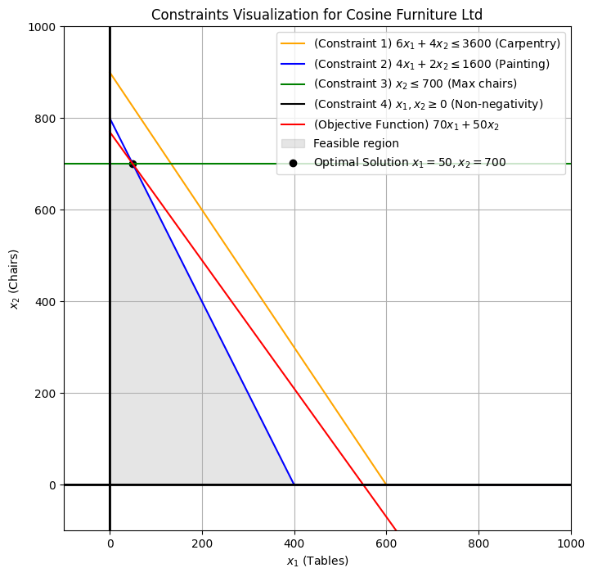
 |  |  | x1 | x2
 | Line 1 | Point A | 75 | 60
 |  | Point B | 80 | 60
 | Line 2 | Point A | 100 | 40
 |  | Point B | 100 | 30
 | Line 3 | Point A | 50 | 25
 |  | Point B | 60 | 16
 | Line 4 | Point A | 70 | 9
 |  | Point B | 80 | 4
 | Line 5 | Point A | 90 | 1
 |  | Point B | 100 | 0
 | Line 6 | Point A | 110 | 1
 |  | Point B | 120 | 4
 | Line 7 | Point A | 130 | 9
 |  | Point B | 140 | 16
 | Line 8 | Point A | 145 | 20
 |  | Point B | 150 | 25
 | Line 9 | Point A | 120 | 60
 |  | Point B | 125 | 60

